solution of task1
 | created table data1 as date11 and data2 as data22 in MYSQL command line client

 |  | Table data11 |  | Table data22

 | mysql >create table data11 >(orderid char(20), >productid char(20), >qty int(10), >primary key(orderid,productid)); |  | mysql >create table data22 >(orderid char(20), >productid char(20), >qty int(10), >primary key(orderid,productid));

 | 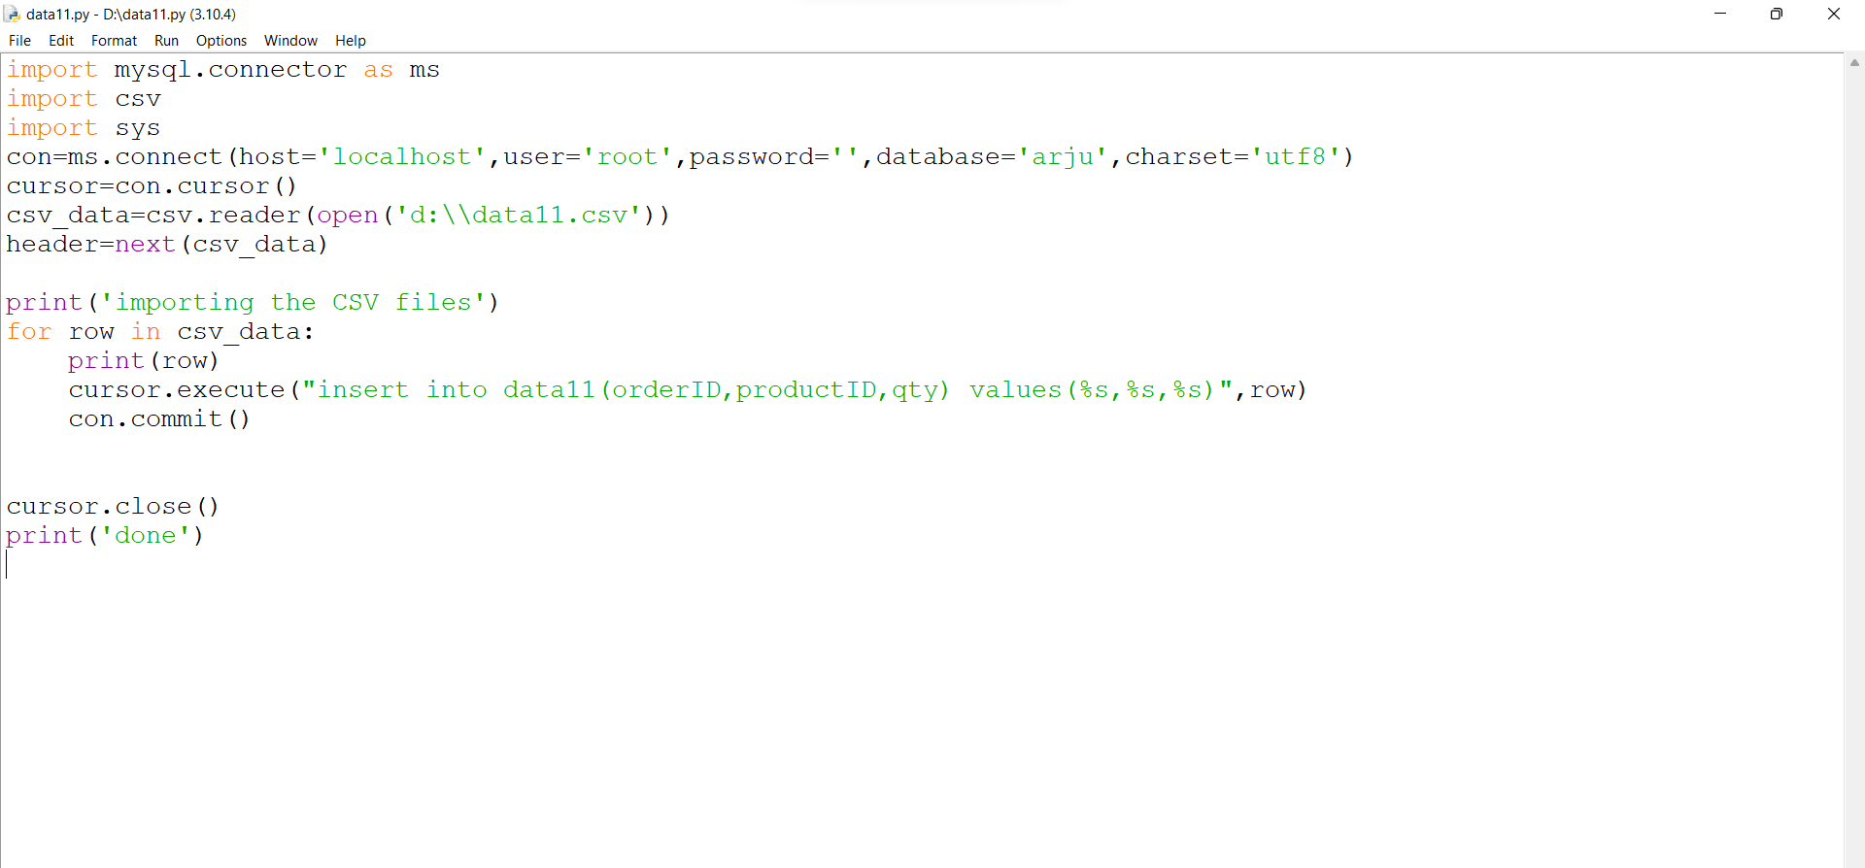 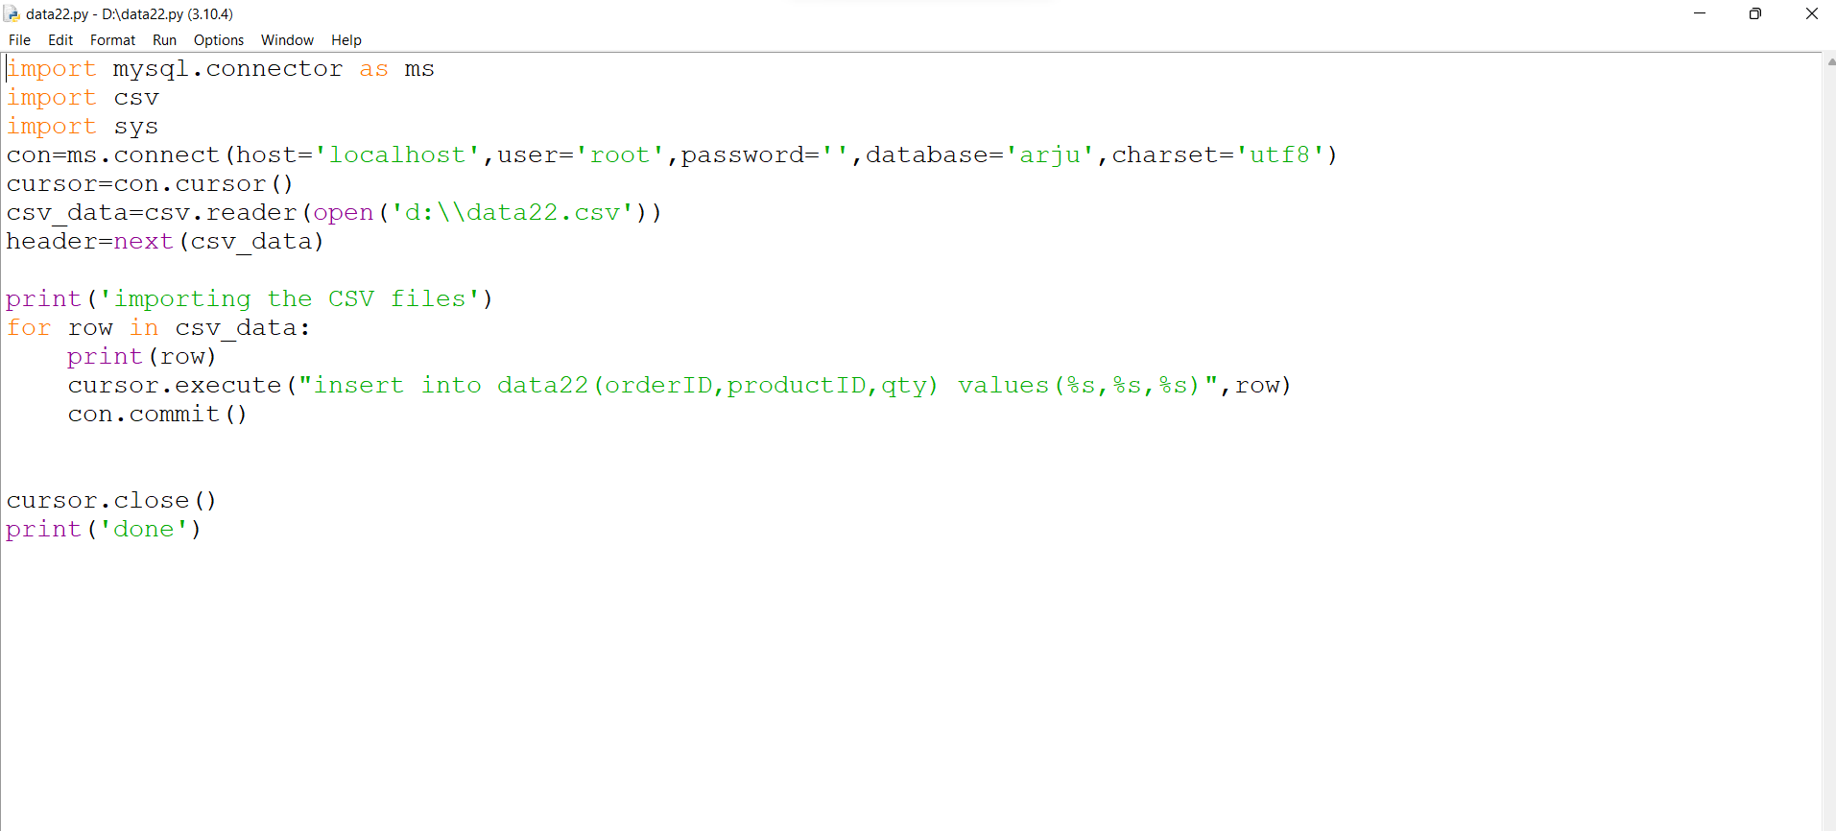 After creating the table in MYSQL. I will import all the datas of MS Excel(csv file) in sql via python. Attaching the python file of importing datasets into sql. (Screenshot of python program to import file in MYSQL)

 | Solving the questionswith SQL query

1) | How to identify the Records (Order ID + Product ID combination) present in data1 but missing in data2 (Specify the number of records missing in your answer)
ans | >Select * from data11 where not exists(select * from data22 where data11.orderid=data22.orderid and data11.productid=data22.productid; [507]

2) | How to identify the Records (Order ID + Product ID combination) missing in data1 but present in data2 (Specify the number of records missing in your answer)
ans | >select * from data22 where not exists(select * from data22 where data22.orderid=data11.orderid and data22.productid=data11.productid; [508]

3) | Find the Sum of the total Qty of Records missing in data1 but present in data2
ans | >select sum(qty) from data22 where not exists(select * from data22 where data22.orderid=data11.orderid and data22.productid=data11.productid; [1874]

4) | Find the total number of unique records (Order ID + Product ID combination) present in the combined dataset of data1 and data2
ans | >select * from data11 left join data22 on (data11.orderid=data22.orderid and data11.productid=data22.productid) union select * from data11 right join data22 on (data22.orderid=data11.orderid and data22.productid=data11.productid); [9986]

